Cover Page
Hansen Technologies Limited - Sustainability Databook and GRI & SASB Indices

Statement of Use and Disclaimers

 | This Hansen Sustainability Databook summarises, Environmental, Social and Governance (ESG) related data and metrics and forms part of Hansen's annual sustainability reporting suite.

 | Sustainability data and metrics relate to Hansen's global operations unless otherwise noted.

 | All amounts are expressed in Australian dollars unless another currency is indicated.

 | We provide the information in this Sustainability Databook on an unaudited basis to increase transparency around Hansen's Sustainability / Environmental, Social, and Governance (ESG) performance. We acknowledge that sustainability and ESG metrics are subject to ongoing refinement. As definitions, methodologies, and data collection processes are enhanced, we expect the metrics to evolve accordingly. The calculation and assessment of sustainability data continually evolves due to advancements in data collection, improved analytical techniques, and alignment with changing standards. These changes are crucial for enhancing the accuracy and reliability of sustainability data for better decision-making and transparent reporting.

 | While we strive for accuracy and timeliness in our sustainability reporting, users should be aware that the data and methodologies presented here are subject to change as new information becomes available. We encourage stakeholders to consider the context provided around each metric and recognise sustainability data is inherently dynamic and may be revised in future reports.

 | In the tables and metrics presented throughout this Sustainability Databook, a dash ("-") is used to represent a value of zero (0). This notation is applied consistently across all sheets to indicate the absence of incidents, emissions, or other measurable quantities where applicable. This treatment aligns with Hansen's Financial Reporting.

 | All information contained in this Databook and adjoining indices should be read in conjunction with Hansen's financial reports and market releases on ASX.
Supporting Links

 | Hansen Technologies — Power The Next (hansencx.com)

 | Hansen Investor Relations — Hansen Technologies (hansencx.com)

 | Financial Reports & Presentations — Hansen Technologies (hansencx.com)

 | Corporate Sustainability — Hansen Technologies (hansencx.com)

Awards and recognition

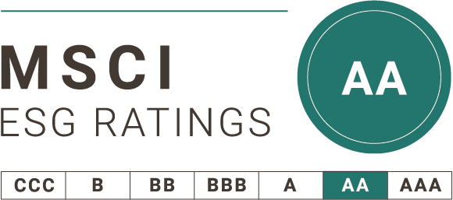
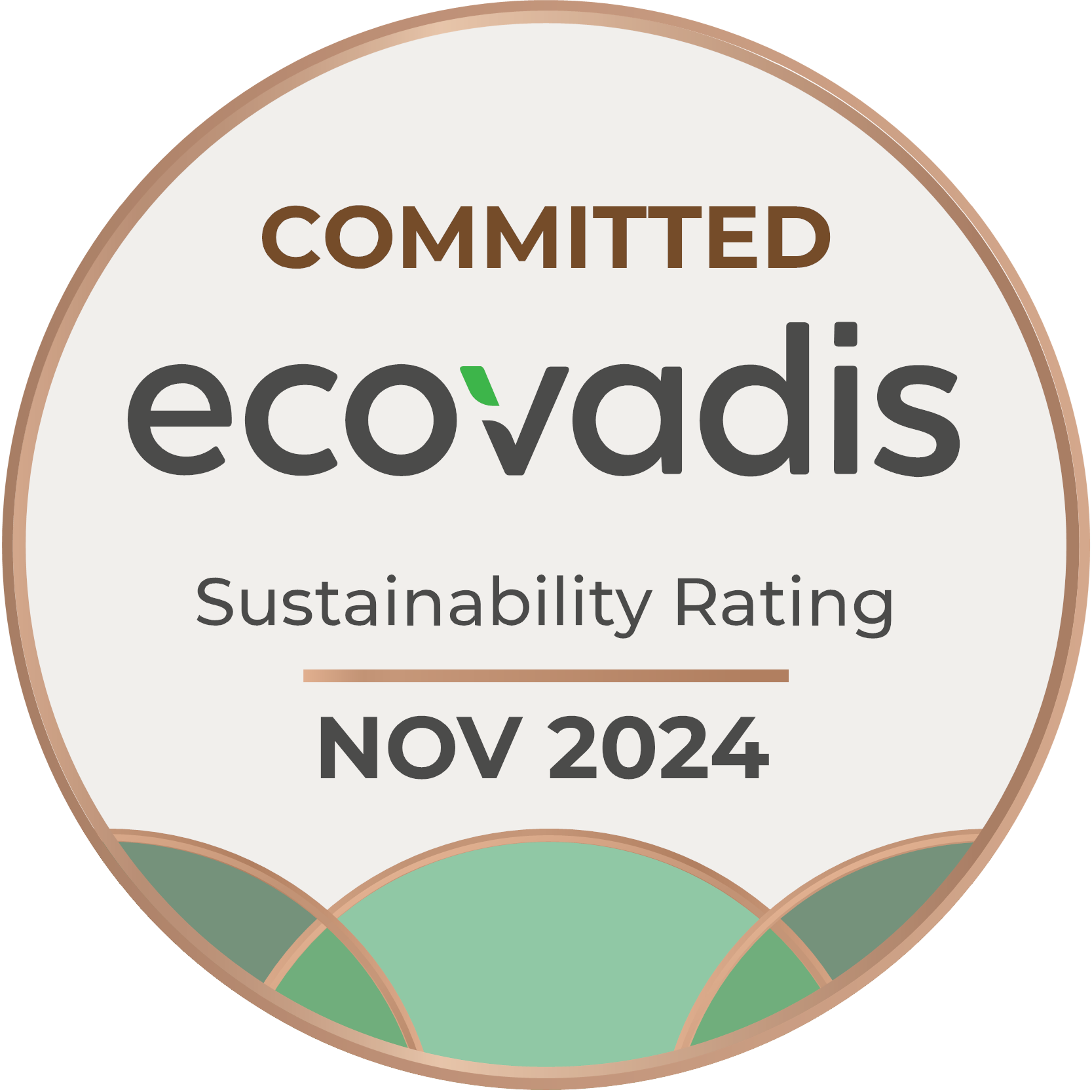
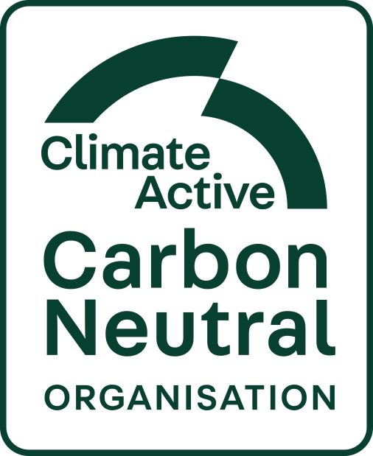

Environment
Hansen Technologies Limited - Environment Metrics

 | Environment
 | At Hansen, we embrace a precautionary approach to environmental challenges, actively pursuing initiatives that foster greater environmental responsibility while delivering economic value to our stakeholders. Hansen's commitment to minimising its environmental impact reaches beyond operations and extends throughout its supply chain.

 | GHG Emissions
 | (GRI 102-1,2,4-7)

 | Hansen Australia GHG emissions (tCO2-e)1,2,3 |  |  |  | Scope | FY22 | FY23 | FY24
 | Stationary Fuels |  |  |  | Scope 14 | 142.2 | 126.9 | 62.5
 | Synthetic Greenhouse Gases |  |  |  |  | 21.5 | 25.3 | 12.7
 | Electricity |  |  |  | Scope 25 | 3,970.6 | 3,305.0 | 1,329.7
Australian Operations GHG emissions (tCO2-e)
 |  | Advertising & Marketing Services |  |  | Scope 36 | 6.3 | - | 1.1
 |  | Business Travel |  |  |  | 46.8 | 167.8 | 792.5
 |  | Construction & Repair Services |  |  |  | 36.0 | 43.6 | 50.1
 |  | Electricity |  |  |  | 436.3 | 301.4 | 188.4
 |  | Employees |  |  |  | 175.9 | 156.5 | 127.6
 |  | Food & Beverage |  |  |  | - | 0.6 | 24.6
 |  | ICT Equipment |  |  |  | - | - | 2.8
 |  | ICT Services |  |  |  | 176.5 | 63.8 | 312.4
 |  | Investments |  |  |  | - | 11.9 | 14.6
 |  | Office Supplies & Services |  |  |  | 18.0 | 5.5 | 8.2
 |  | Postage, Courier & Logistics |  |  |  | 11.4 | 8.8 | 5.0
 |  | Products, Materials & Equipment |  |  |  | 2.4 | 3.7 | 0.7
 |  | Professional Services |  |  |  | 376.7 | 370.4 | 348.5
 |  | Stationary Fuels |  |  |  | 11.0 | 15.4 | 10.2
 |  | Synthetic Greenhouse Gases |  |  |  | - | - | 0.8
 |  | Waste |  |  |  | 101.5 | 11.5 | 6.6
 |  | Water & Wastewater |  |  |  | 10.4 | 19.9 | 14.0
 | Total Emissions |  |  |  |  | 5,543.5 | 4,638.0 | 3,312.9

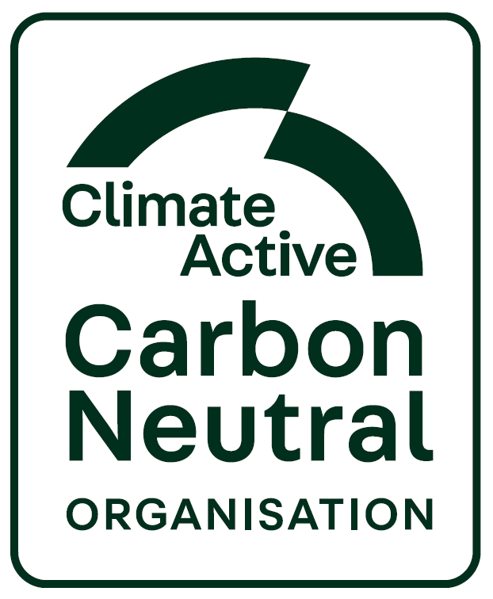
Australian Operations Certified Carbon Neutral Since FY21. 40% Reduction target exceeded, and ahead of schedule
 |  |  |  |  |  | FY22 | FY23 | FY24 | Target7
 |  |  |  | Scope 14 |  | 163.7 | 152.3 | 75.2
 |  |  |  | Scope 25 |  | 3,970.6 | 3,305.0 | 1,329.7
 |  |  |  | Scope 36 |  | 1,409.2 | 1,180.8 | 1,908.1
 |  |  |  | Total |  | 5,543.5 | 4,638.0 | 3,312.9 | 3,326.1

 |  |  |  | Offset |  | 100% | 100% | 100%

 | 1 | Hansen Australia's emissions are calculated using activity data for the full financial year on a retrospective basis.
 | 2 | Hansen engaged an independent consultant to calculate its emissions in line with the GHG Protocol Corporate Accounting and Reporting Standard. Emissions above have been calculated for Hansen's Australia based operations only.
 | 3 | The reported emissions have been reviewed and certified by Climate Active.
 | 4 | Scope 1 emissions are direct emissions combusted on site from stationary diesel energy. This was used in backup power generators for Hansen's own data centre. This data centre have been decommissioned as at 31 December 2024.
 | 5 | Scope 2 emissions are from purchased electricity for Hansen's offices in Australia. Reported Scope 2 figures for FY24 are market-based. Scope 2 data prior to FY24 is location-based.
 | 6 | Scope 3 emissions represent Hansen’s indirect emissions within the company’s value chain. The categories presented here are adopted from Climate Active’s scope 3 emissions reporting categories.
 | 7 | Hansen's overarching target is to reduce the emissions intensity of its current and existing FY22 business operations in Australia by 50% from its FY22 intensity of 107.88 t CO2e per million dollars of revenue, by the end of 2026, and to ensure a reduction in the absolute emissions of its current and existing business FY22 operations in Australia by no less than 40% by the end of FY2026 from FY22.

 | FY24 GHG protocol summary - Market-based (tCO2-e)1 - excludes powercloud |  |  |  |  |  | Americas | APAC | EMEA | Global
 | Scope 12 |  |  |  |  |  | - | 77.8 | 7.8 | 85.6
 | Scope 23 |  |  |  |  |  | 30.9 | 1,568.3 | 32.1 | 1,631.3
 |  | Business travel |  |  |  |  | 502.0 | 965.5 | 249.0 | 1,716.5
 |  | Capital goods |  |  |  |  | 102.0 | 376.1 | 149.8 | 627.8
 |  | Employee commuting |  |  |  |  | 144.1 | 478.2 | 377.9 | 1,000.2
 |  | Fuel and energy related activities |  |  |  |  | 3.6 | 190.0 | 12.8 | 206.4
 |  | Purchased goods & services |  |  |  |  | 1,873.8 | 3,864.1 | 1,801.9 | 7,539.9
 |  | Upstream leased assets |  |  |  |  | 111.7 | 52.8 | 21.9 | 186.5
 |  | Waste generated in operations |  |  |  |  | 87.4 | 7.3 | 6.2 | 100.9
 | Scope 34 |  |  |  |  |  | 2,824.6 | 5,934.0 | 2,619.5 | 11,378.2
 | Total Emissions |  |  |  |  |  | 2,855.5 | 7,580.1 | 2,659.4 | 13,095.0
 | 1 | Hansen is disclosing Greenhouse Gas (GHG) emissions data for its Americas, APAC & EMEA operations for the first time on a retrospective basis for FY24. This unaudited data supports transparency around Hansen's sustainability performance. As this is an initial disclosure, methodologies may evolve with improved data quality and changing standards. Hansen encourages users to consider the context of each metric, noting sustainability data is dynamic and may be updated in future reports.
 | 2 | Direct emissions such as those resulting from fuel use or refrigerant leakage.
 | 3 | Indirect energy import such as purchased electricity, calculated using the market-based method.
 | 4 | Scope 3 has also been calculated using the market-based method to account for the renewable electricity consumption of base buildings.

 | Global Carbon Emissions Intensity - excludes powercloud
 | (GRI 102-8)
 |  |  |  |  |  | FY22 | FY23 | FY24 | Target2
 | Australia Only - Revenue tCO2-e/million AUD1 |  |  |  |  | 107.9 | 90.3 | 58.4 | 53.9
 | Americas - tCO2-e/FTE3 |  |  |  |  |  |  | 10.6
 | APAC - tCO2-e/FTE3 |  |  |  |  |  |  | 9.4
 | EMEA - tCO2-e/FTE3 |  |  |  |  |  |  | 5.0
 | Total Hansen - tCO2-e/FTE3 |  |  |  |  |  |  | 8.1
 | 1 | Emissions intensity is calculated based on revenue generated from Australian operations.
 | 2 | Hansen's overarching target is to reduce the emissions intensity of its current and existing FY22 business operations in Australia by 50% from its FY22 intensity of 107.88 t CO2-e per million dollars of revenue, by the end of 2026, and to ensure a reduction in the absolute emissions of its current and existing business FY22 operations in Australia by no less than 40% by the end of FY2026 from FY22.
 | 3 | Hansen is disclosing Carbon Emissions Intensity data for its Americas, APAC & EMEA operations for the first time on a retrospective basis for FY24. This unaudited data supports transparency around Hansen's sustainability performance. As this is an initial disclosure, methodologies may evolve with improved data quality and changing standards. Hansen encourages users to consider the context of each metric, noting sustainability data is dynamic and may be updated in future reports.

 | Electricity 1
 | (GRI 103-2-5)
 | (TC-SI-130a.1)
Australian Electricity Emissions Location-Based Approach (tCO2e)
 | Australian Electricity Emissions and Usage |  |  |  |  | FY22 | FY23 | FY24
 | Location Based Approach (tCO2-e)1 |  | Scope 2 |  |  | 3,970.6 | 3,305.0 | 1,329.7
 |  |  | Scope 3 |  |  | 436.3 | 301.4 | 188.4
 |  |  | Total |  |  | 4,406.9 | 3,606.3 | 1,518.1

 |  |  |  |  |  | FY222 | FY23 | FY24
 | Market Based Approach (tCO2-e)1 |  | Scope 2 |  |  |  | 2,662.7 | 1,351.2
 |  |  | Scope 3 |  |  |  | 377.0 | 166.8
 |  |  | Total |  |  | 3,534.3 | 3,039.7 | 1,518.1

 |  |  |  |  |  | FY222 | FY23 | FY24
 | Activity Data (MWh) |  | Scope 2 |  |  |  | 2,788.2 | 1,484.9
 |  |  | Scope 3 |  |  |  | 394.8 | 183.3
 |  |  | Renewable Energy |  |  | 811.1 | 736.9 | 394.2
 |  |  | Total |  |  | 4,363.3 | 3,919.9 | 2,062.4
 | 1 | Emissions and usage data for Australian operations only. Scope 2 emissions relate to direct electricity consumption for Hansen's facilities. Scope 3 emissions relate to emissions from electricity consumed as a share of base building of leased premises.
 | 2 | Market Based Approach Scope 1 & 2 data FY22 not available.

 | Australia Only - Renewable Energy
 | (GRI 103-2&3)
 |  |  |  |  |  | FY22 | FY23 | FY24
 | Renewable energy consumption/total energy consumption1 |  |  |  |  | 18.6% | 18.8% | 19.1%
 | 1 | Data provided is verified by Climate Active and contained within Public Disclosure Statements issued by Climate Active, which can be found on Hansen's Corporate Sustainability webpage. Renewable energy consumed relates to renewable electricity.

 | Australia Only - Climate Active Carbon Neutral Certification
 | (GRI 102-10; 103-4)
 |  |  |  |  |  | FY22 | FY23 | FY24
 | Climate Active Carbon Neutral Certification Achieved1 |  |  |  |  | Yes | Yes | Yes
 | 1 | Annual carbon footprint data is submitted to Climate Active for carbon neutral certification in arrears each year.

 | Global Legal Proceedings Associated with Environmental Regulations
 |  |  |  |  |  | FY22 | FY23 | FY24 | FY25
 | Number of legal proceedings associated with environmental regulations |  |  |  |  | - | - | - | -

